script
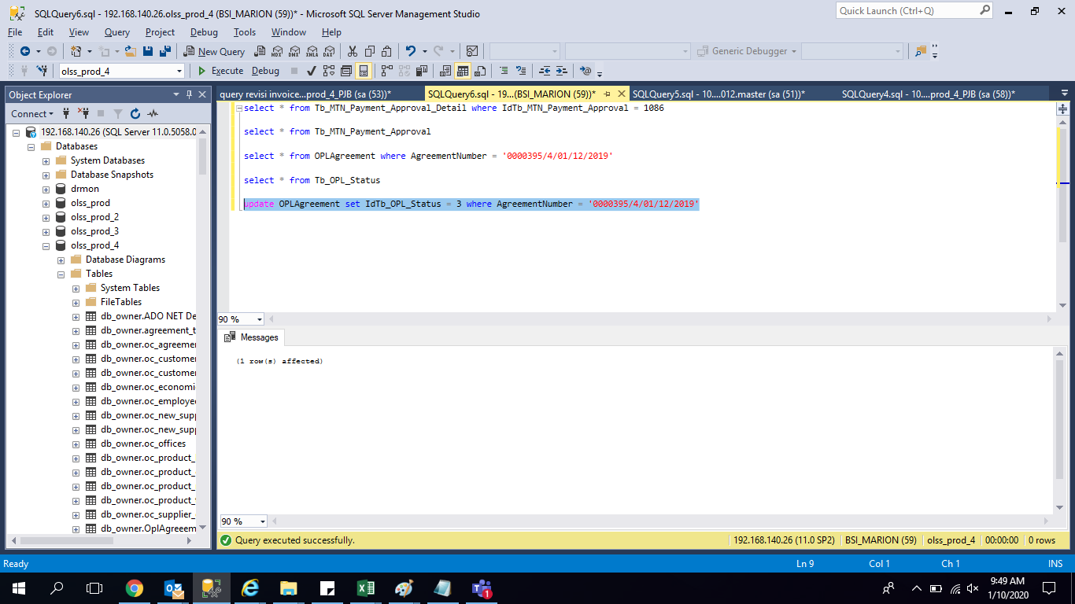
update OPLAgreement set IdTb_OPL_Status = 3
where AgreementNumber = '0000395/4/01/12/2019'

screenshoot
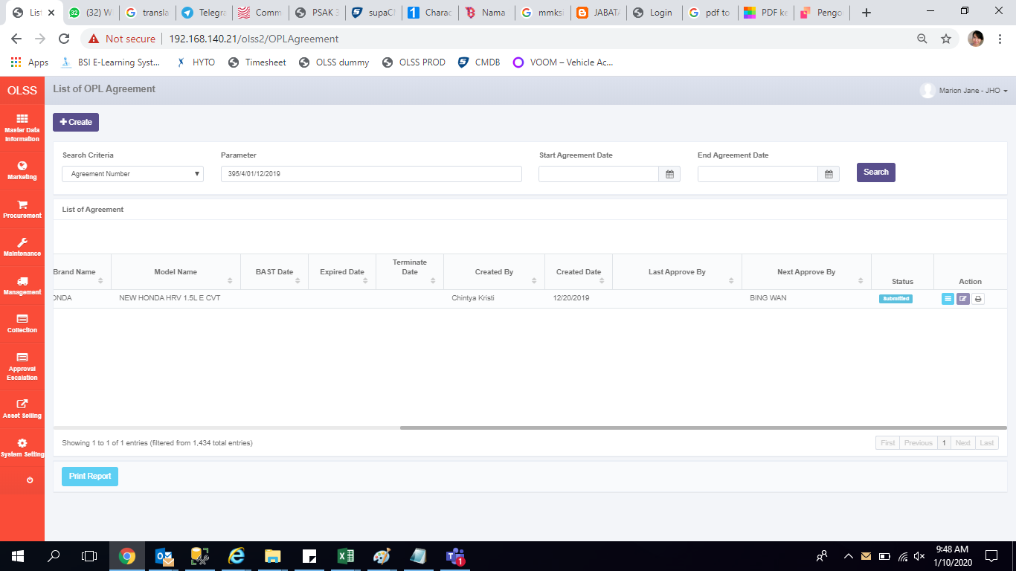
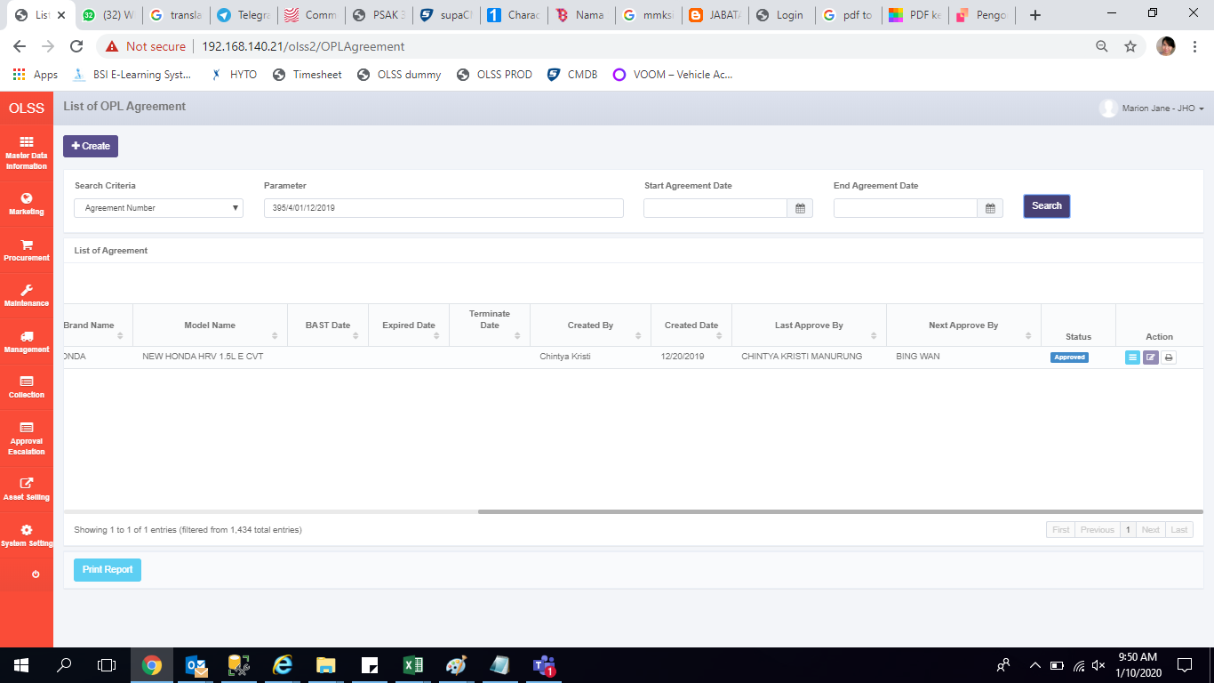
before

